Sheet1
Description | Units | Image | Size 4 | Size 6 | Size 8 | Size 10 | Size 12 | Size 14 | Size 16 | Size 18 | Size 20
Wide Leg Denim Jeans | 91 | 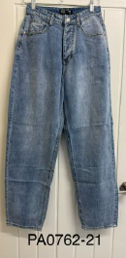 | 1 | 29 | 27 |  |  | 22 | 12
White Denim Jeans | 271 | 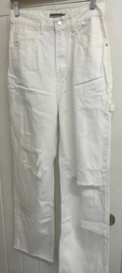 |  | 42 | 84 | 95 | 30 | 20
Denim Shorts | 869 | 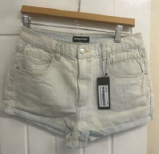 | 32 | 98 | 169 | 272 | 175 | 72 | 51
Cheque Denim Jacket | 102 | 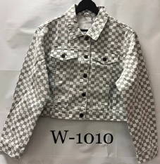 |  | 52 | 50
Cheque Denim Skirt | 521 | 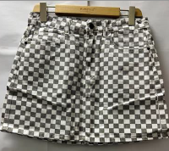 |  | 100 | 118 | 165 | 89 | 49
Red & Green Trousers | 46 | 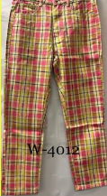 |  | 1 | 25 | 20
White Denim Skirt Dungarees | 308 | 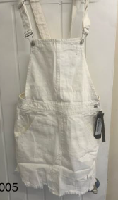 |  | 89 | 189 | 9 | 21
New Look Cropped Blazer | 619 | 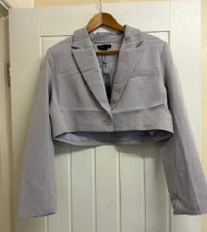 | 39 | 83 | 158 | 152 | 97 |  | 49 | 41
New Look Trousers | 1,595 | 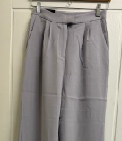 | 22 | 136 | 262 | 356 | 326 | 216 | 175 | 102
Black Denim Skirt | 189 | 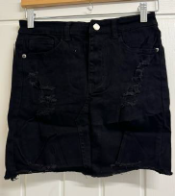 |  |  | 20 | 132 | 37
Pink Denim Skirt | 131 | 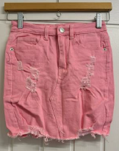 |  | 44 | 39 |  | 10 | 38
Charcoal Jean with Side Pockets | 83 | 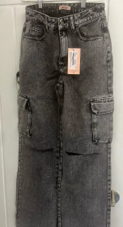 |  |  | 32 | 38 | 6 | 7
Ripped Denim Skinny Jeans | 484 | 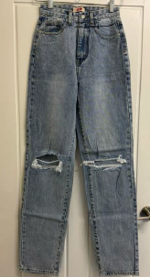 |  | 115 | 107 | 141 | 121
Denim Skinny Jeans | 1147 | 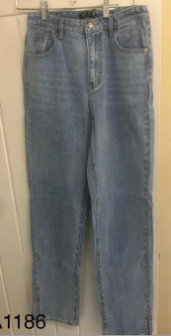 |  | 169 | 323 | 263 | 204 | 188
Extreme Distressed Ripped Shorts | 288 | 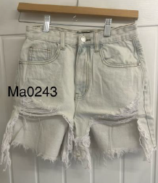 |  | 51 | 68 | 72 | 55 | 42
Black Faux Leather Jeans | 2798 | 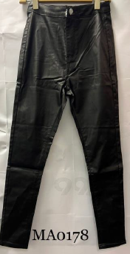 |  | 367 | 561 | 972 | 623 | 275
Denim & White Jacket | 8 | 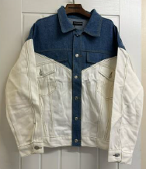 |  |  |  | 8
Black with white striped 3/4 length Jeans | 22 | 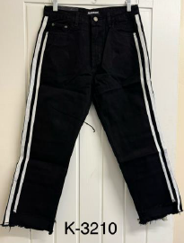 |  |  | 22
Charocal Acid Wash 3/4 Length Jeans | 35 | 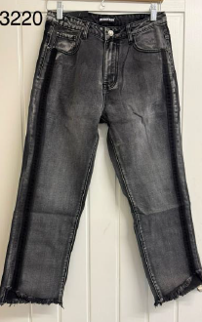 |  | 10 | 15 |  | 2 | 8
Cropped Black & White Jacket | 19 | 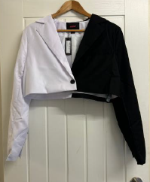 |  | 7 |  |  |  | 10 | 2
Denim Jacket with Pockets | 126 | 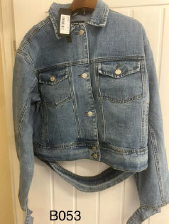 |  |  |  |  | 30 | 53 | 43
Extreme Distressed Denim Ripped Shorts | 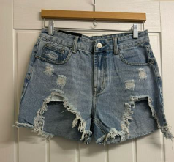 324 |  |  | 76 | 66 | 182
Straight Leg Ripped Jeans | 41 | 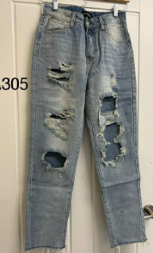 |  |  | 21 | 20
Black 3/4 Length Trousers | 73 | 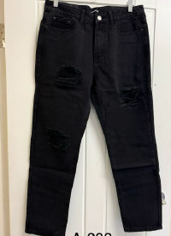 |  |  | 22 | 41 | 10
Skinny Denim Jeans | 97 | 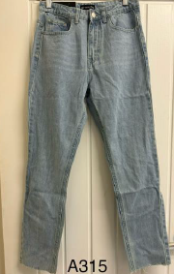 |  |  | 21 | 24 | 35 |  | 17
Extreme Ripped Denim Wide Leg Trousers | 97 | 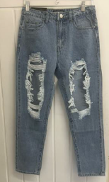 |  |  | 48 | 49
New Look Blue Flaired Jeggings | 888 | 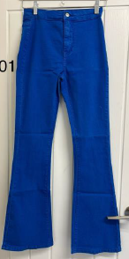 |  | 69 | 175 | 145 | 187 | 161 | 98 | 53
Wet Look Tie up Ankle Jeans | 52 | 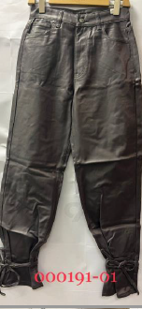 |  |  | 33 | 19
Black Jeggings | 47 | 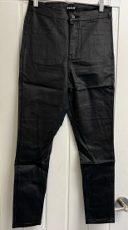 |  |  |  |  | 47
 | 11371

